Coal, Oil, Gas, Lignite
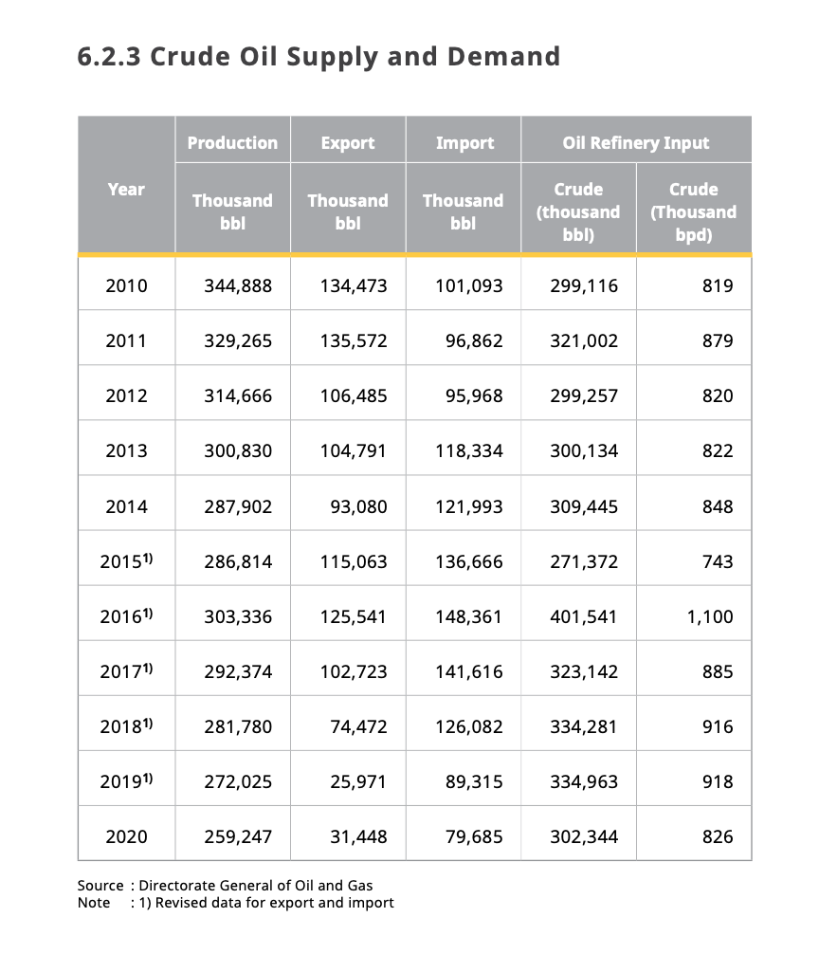
Production, Trade and Supply |  |  |  |  |  | BAU
 |  | 2000 | 2005 | 2010 | 2015 | 2016 | 2020 | 2025 | 2030 | 2035 | 2040 | 2045 | 2050
Production (Mtoe) |  | 237.5 | 279.5 | 377.8 | 425.8 | 434.3 | 479.3 | 525.2 | 536.4 | 547.2 | 558.3 | 570.6 | 582.5
Coal |  | 45.5 | 98.2 | 186.3 | 245.1 | 248.8 | 299.8 | 325.4 | 327.0 | 328.6 | 330.3 | 331.9 | 333.6
Oil |  | 71.6 | 53.4 | 48.4 | 40.4 | 42.6 | 41.7 | 42.0 | 42.4 | 43.7 | 45.0 | 46.3 | 47.1
Gas |  | 61.2 | 65.6 | 74.8 | 65.5 | 64.6 | 61.8 | 60.8 | 61.5 | 62.2 | 62.9 | 63.7 | 64.4
Nuclear
Hydro |  | 0.9 | 0.9 | 1.5 | 1.2 | 1.7 | 2.1 | 3.6 | 5.7 | 7.1 | 8.6 | 10.1 | 11.5
Non-hydro renewables |  | 58.4 | 61.3 | 66.7 | 73.6 | 76.6 | 74.0 | 93.4 | 99.7 | 105.6 | 111.4 | 118.7 | 125.9
Other |  |  |  |  | 0.0 | 0.0 | 0.0 | 0.0 | 0.0 | 0.0 | 0.0 | 0.0 | 0.0

Coal, Oil, and Gas Production - Indonesia
 | 2017 | 2018 | 2019 | 2020 | 2021 | 2022 | 2023 | 2024 | 2025 | 2026 | 2027 | 2028 | 2029 | 2030 | 2031 | 2032 | 2033 | 2034 | 2035 | 2036 | 2037 | 2038 | 2039 | 2040 | 2041 | 2042 | 2043 | 2044 | 2045 | 2046 | 2047 | 2048 | 2049 | 2050
Coal (Mtoe) | 261.5755 | 274.305 | 287.0345 | 299.764 | 304.8908 | 310.0176 | 315.1444 | 320.2712 | 325.398 | 325.7224 | 326.0468 | 326.3712 | 326.6956 | 327.02 | 327.3456 | 327.6712 | 327.9968 | 328.3224 | 328.648 | 328.9752 | 329.3024 | 329.6296 | 329.9568 | 330.284 | 330.613 | 330.942 | 331.271 | 331.6 | 331.929 | 332.2596 | 332.5902 | 332.9208 | 333.2514 | 333.582
Oil (Mtoe) | 42.3945 | 42.16 | 41.9255 | 41.691 | 41.7446 | 41.7982 | 41.8518 | 41.9054 | 41.959 | 42.0532 | 42.1474 | 42.2416 | 42.3358 | 42.43 | 42.683 | 42.936 | 43.189 | 43.442 | 43.695 | 43.9644 | 44.2338 | 44.5032 | 44.7726 | 45.042 | 45.2882 | 45.5344 | 45.7806 | 46.0268 | 46.273 | 46.4448 | 46.6166 | 46.7884 | 46.9602 | 47.132
Gas (Mtoe) | 63.85525 | 63.1535 | 62.45175 | 61.75 | 61.5582 | 61.3664 | 61.1746 | 60.9828 | 60.791 | 60.9332 | 61.0754 | 61.2176 | 61.3598 | 61.502 | 61.6432 | 61.7844 | 61.9256 | 62.0668 | 62.208 | 62.3522 | 62.4964 | 62.6406 | 62.7848 | 62.929 | 63.075 | 63.221 | 63.367 | 63.513 | 63.659 | 63.807 | 63.955 | 64.103 | 64.251 | 64.399
Source: APEC

Lignite Production - Indonesia
 | 2000 | 2001 | 2002 | 2003 | 2004 | 2005 | 2006 | 2007 | 2008 | 2009 | 2010 | 2011 | 2012 | 2013 | 2014 | 2015 | 2016 | 2017 | 2018 | 2019 | 2020 | 2021 | 2022 | 2023 | 2024 | 2025 | 2026 | 2027 | 2028 | 2029 | 2030 | 2031 | 2032 | 2033 | 2034 | 2035 | 2036 | 2037 | 2038 | 2039 | 2040 | 2041 | 2042 | 2043 | 2044 | 2045 | 2046 | 2047 | 2048 | 2049 | 2050
Lignite - Prod (Btu) | 1.43E+14 | 1.83E+14 | 1.97E+14 | 2.20E+14 | 2.67E+14 | 3.09E+14 | 3.49E+14 | 3.73E+14 | 3.90E+14 | 4.14E+14 | 4.81E+14 | 5.21E+14 | 6.11E+14 | 7.33E+14 | 8.51E+14 | 6.92E+14 | 9.75E+14 | 1.12E+15 | 1.49E+15 | 1.65E+15 | 1.30E+15 | 1.36E+15 | 1.43E+15 | 1.50E+15 | 1.56E+15 | 1.63E+15 | 1.70E+15 | 1.76E+15 | 1.83E+15 | 1.90E+15 | 1.96E+15 | 2.03E+15 | 2.10E+15 | 2.16E+15 | 2.23E+15 | 2.30E+15 | 2.36E+15 | 2.43E+15 | 2.49E+15 | 2.56E+15 | 2.63E+15 | 2.69E+15 | 2.76E+15 | 2.83E+15 | 2.89E+15 | 2.96E+15 | 3.03E+15 | 3.09E+15 | 3.16E+15 | 3.23E+15 | 3.29E+15
Source: US Energy Information Administration

Coal Imports - Indonesia
 | 2000 | 2001 | 2002 | 2003 | 2004 | 2005 | 2006 | 2007 | 2008 | 2009 | 2010 | 2011 | 2012 | 2013 | 2014 | 2015 | 2016 | 2017 | 2018 | 2019 | 2020 | 2021 | 2022 | 2023 | 2024 | 2025 | 2026 | 2027 | 2028 | 2029 | 2030 | 2031 | 2032 | 2033 | 2034 | 2035 | 2036 | 2037 | 2038 | 2039 | 2040 | 2041 | 2042 | 2043 | 2044 | 2045 | 2046 | 2047 | 2048 | 2049 | 2050
Coal (Btu) | 7.94E+12 | 7.28E+12 | 6.61E+12 | 5.96E+12 | 2.62E+12 | 2.63E+12 | 2.97E+12 | 1.85E+12 | 2.89E+12 | 1.86E+12 | 1.47E+12 | 1.12E+12 | 2.09E+12 | 1.69E+13 | 6.85E+13 | 8.43E+13 | 1.09E+14 | 1.21E+14 | 1.49E+14 | 1.89E+14 | 1.22E+14 | 1.30E+14 | 1.38E+14 | 1.46E+14 | 1.54E+14 | 1.62E+14 | 1.69E+14 | 1.77E+14 | 1.85E+14 | 1.93E+14 | 2.01E+14 | 2.09E+14 | 2.17E+14 | 2.25E+14 | 2.33E+14 | 2.41E+14 | 2.48E+14 | 2.56E+14 | 2.64E+14 | 2.72E+14 | 2.80E+14 | 2.88E+14 | 2.96E+14 | 3.04E+14 | 3.12E+14 | 3.19E+14 | 3.27E+14 | 3.35E+14 | 3.43E+14 | 3.51E+14 | 3.59E+14
Source: US Energy Information Administration

Coal and Lignite Exports - Indonesia
 | 2000 | 2001 | 2002 | 2003 | 2004 | 2005 | 2006 | 2007 | 2008 | 2009 | 2010 | 2011 | 2012 | 2013 | 2014 | 2015 | 2016 | 2017 | 2018 | 2019 | 2020 | 2021 | 2022 | 2023 | 2024 | 2025 | 2026 | 2027 | 2028 | 2029 | 2030 | 2031 | 2032 | 2033 | 2034 | 2035 | 2036 | 2037 | 2038 | 2039 | 2040 | 2041 | 2042 | 2043 | 2044 | 2045 | 2046 | 2047 | 2048 | 2049 | 2050
Total Coal (Btu) | 1.1793744464E+15 | 1.3798957773E+15 | 1.5257773899E+15 | 1.8234090757E+15 | 2.1821520403E+15 | 2.7152983513E+15 | 3.1995591513E+15 | 3.7438432155E+15 | 4.2525075562E+15 | 4.1897986085E+15 | 4.3813316186E+15 | 5.6375250336E+15 | 6.2667056719E+15 | 7.2991078913E+15 | 7.8276410949E+15 | 7.6264844424E+15 | 7.5623869739E+15 | 7.8025910986E+15 | 8.3610618561E+15 | 8.9362146938E+15
Anthracite | 0 | 0 | 0 | 0 | 0 | 0 | 0 | 0 | 0 | 0 | 0 | 0 | 0 | 0 | 0 | 0 | 0 | 0 | 0 | 0 | 0
Metallurgical coal | 0 | 0 | 0 | 0 | 0 | 0.021260918329 | 0.023297434965 | 0.025333951602 | 0.02868250578 | 0.028303585189 | 0.029678199487 | 0.038905743987 | 0.043383137705 | 0.050846456785 | 0.026328729234 | 0.025208660246 | 0.026535079225 | 0.03091019111 | 0.034047074913 | 0.031554077313
Bituminous | 0.47728358076 | 0.5687713491 | 0.66437604766 | 0.73083968912 | 0.88012001222 | 1.2694707764E+16 | 1.4802418851E+16 | 1.8373639253E+16 | 2.0153268229E+15 | 1.9887026208E+16 | 2.0882963301E+16 | 2.1553854756E+16 | 2.3695849498E+15 | 2.5480906901E+16 | 2.9585785249E+16 | 3.3053772554E+16 | 3.1219534681E+15 | 2.6160329509E+16 | 1.9110821759E+16 | 1.8296067207E+16
Subbituminous | 0.6119437175 | 0.70582445815 | 0.74556724855 | 0.9530751781 | 1.1351859207E+16 | 1.220442417E+16 | 1.4551822582E+15 | 1.607869782E+16 | 1.9038498125E+16 | 1.8449292397E+16 | 1.8671691803E+16 | 2.9732902681E+16 | 3.276528488E+15 | 402668960222279 | 4.0394277028E+15 | 3.708112793E+16 | 3.5318875446E+16 | 4.0967506063E+15 | 5.1239192141E+15 | 5.8091528722E+15
Lignite (BTU) | 9.01E+13 | 1.05E+14 | 1.16E+14 | 1.39E+14 | 1.67E+14 | 2.04E+14 | 2.41E+14 | 2.73E+14 | 3.05E+14 | 3.28E+14 | 3.96E+14 | 4.70E+14 | 5.77E+14 | 6.73E+14 | 8.03E+14 | 5.88E+14 | 8.82E+14 | 1.06E+15 | 1.29E+15 | 1.27E+15 | 1.14E+15 | 1.20E+15 | 1.26E+15 | 1.33E+15 | 1.39E+15 | 1.45E+15 | 1.51E+15 | 1.57E+15 | 1.63E+15 | 1.69E+15 | 1.75E+15 | 1.82E+15 | 1.88E+15 | 1.94E+15 | 2.00E+15 | 2.06E+15 | 2.12E+15 | 2.18E+15 | 2.24E+15 | 2.31E+15 | 2.37E+15 | 2.43E+15 | 2.49E+15 | 2.55E+15 | 2.61E+15 | 2.67E+15 | 2.73E+15 | 2.80E+15 | 2.86E+15 | 2.92E+15 | 2.98E+15
The rest of the coal (BTU) | 1.09E+15 | 1.27E+15 | 1.41E+15 | 1.68E+15 | 2.02E+15 | 2.51E+15 | 2.96E+15 | 3.47E+15 | 3.95E+15 | 3.86E+15 | 3.99E+15 | 5.17E+15 | 5.69E+15 | 6.63E+15 | 7.02E+15 | 7.04E+15 | 6.68E+15 | 6.74E+15 | 7.07E+15 | 7.67E+15 | 8.38E+15 | 8.76E+15 | 9.14E+15 | 9.52E+15 | 9.90E+15 | 1.03E+16 | 1.07E+16 | 1.10E+16 | 1.14E+16 | 1.18E+16 | 1.22E+16 | 1.26E+16 | 1.29E+16 | 1.33E+16 | 1.37E+16 | 1.41E+16 | 1.45E+16 | 1.48E+16 | 1.52E+16 | 1.56E+16 | 1.60E+16 | 1.64E+16 | 1.67E+16 | 1.71E+16 | 1.75E+16 | 1.79E+16 | 1.83E+16 | 1.86E+16 | 1.90E+16 | 1.94E+16 | 1.98E+16
Source: US Energy Information Administration

Natural Gas Exports - Indonesia
 | 2000 | 2001 | 2002 | 2003 | 2004 | 2005 | 2006 | 2007 | 2008 | 2009 | 2010 | 2011 | 2012 | 2013 | 2014 | 2015 | 2016 | 2017 | 2018 | 2019 | 2020 | 2021 | 2022 | 2023 | 2024 | 2025 | 2026 | 2027 | 2028 | 2029 | 2030 | 2031 | 2032 | 2033 | 2034 | 2035 | 2036 | 2037 | 2038 | 2039 | 2040 | 2041 | 2042 | 2043 | 2044 | 2045 | 2046 | 2047 | 2048 | 2049 | 2050
Natural Gas (BTU) | 1.39E+15 | 1.27E+15 | 1.38E+15 | 1.51E+15 | 1.48E+15 | 1.40E+15 | 1.32E+15 | 1.41E+15 | 1.39E+15 | 1.32E+15 | 1.59E+15 | 1.50E+15 | 1.35E+15 | 1.22E+15 | 1.22E+15 | 1.17E+15 | 1.15E+15 | 1.15E+15 | 1.10E+15 | 9.42E+14 | 8.79E+14 | 1.05E+15 | 1.03E+15 | 1.01E+15 | 9.86E+14 | 9.64E+14 | 9.42E+14 | 9.20E+14 | 8.98E+14 | 8.76E+14 | 8.55E+14 | 8.33E+14 | 8.11E+14 | 7.89E+14 | 7.67E+14 | 7.45E+14 | 7.24E+14 | 7.02E+14 | 6.80E+14 | 6.58E+14 | 6.36E+14 | 6.14E+14 | 5.93E+14 | 5.71E+14 | 5.49E+14 | 5.27E+14 | 5.05E+14 | 4.83E+14 | 4.62E+14 | 4.40E+14 | 4.18E+14

Units (Thousand Barrel) | 2010 | 2011 | 2012 | 2013 | 2014 | 2015 | 2016 | 2017 | 2018 | 2019 | 2020 | 2021 | 2022 | 2023 | 2024 | 2025 | 2026 | 2027 | 2028 | 2029 | 2030 | 2031 | 2032 | 2033 | 2034 | 2035 | 2036 | 2037 | 2038 | 2039 | 2040 | 2041 | 2042 | 2043 | 2044 | 2045 | 2046 | 2047 | 2048 | 2049 | 2050
Crude Oil Imports | 101093 | 96862 | 95968 | 118334 | 121993 | 136666 | 148361 | 141616 | 126082 | 89315 | 79685 | 115600.2364 | 115837.0182 | 116073.8 | 116310.5818 | 116547.3636 | 116784.1455 | 117020.9273 | 117257.7091 | 117494.4909 | 117731.2727 | 117968.0545 | 118204.8364 | 118441.6182 | 118678.4 | 118915.1818 | 119151.9636 | 119388.7455 | 119625.5273 | 119862.3091 | 120099.0909 | 120335.8727 | 120572.6545 | 120809.4364 | 121046.2182 | 121283 | 121519.7818 | 121756.5636 | 121993.3455 | 122230.1273 | 122466.9091
Crude Oil Exports | 134473 | 135572 | 106485 | 104791 | 93080 | 115063 | 125541 | 102723 | 74472 | 25971 | 31448 | 39715.74545 | 30431.71818 | 21147.69091 | 11863.66364 | 2579.636364 | 0 | 0 | 0 | 0 | 0 | 0 | 0 | 0 | 0 | 0 | 0 | 0 | 0 | 0 | 0 | 0 | 0 | 0 | 0 | 0 | 0 | 0 | 0 | 0 | 0
Source: HEESI 2020

Biomass, Gasoline, Jet FuelKero
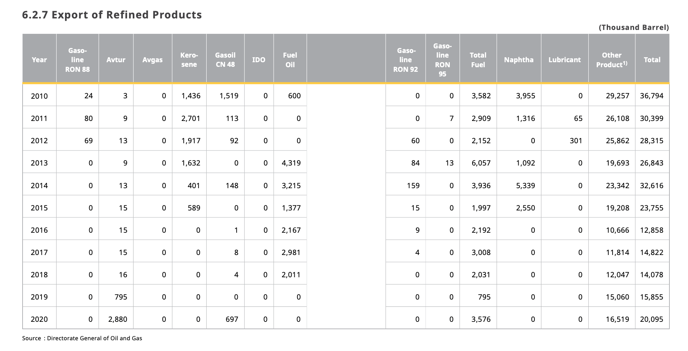
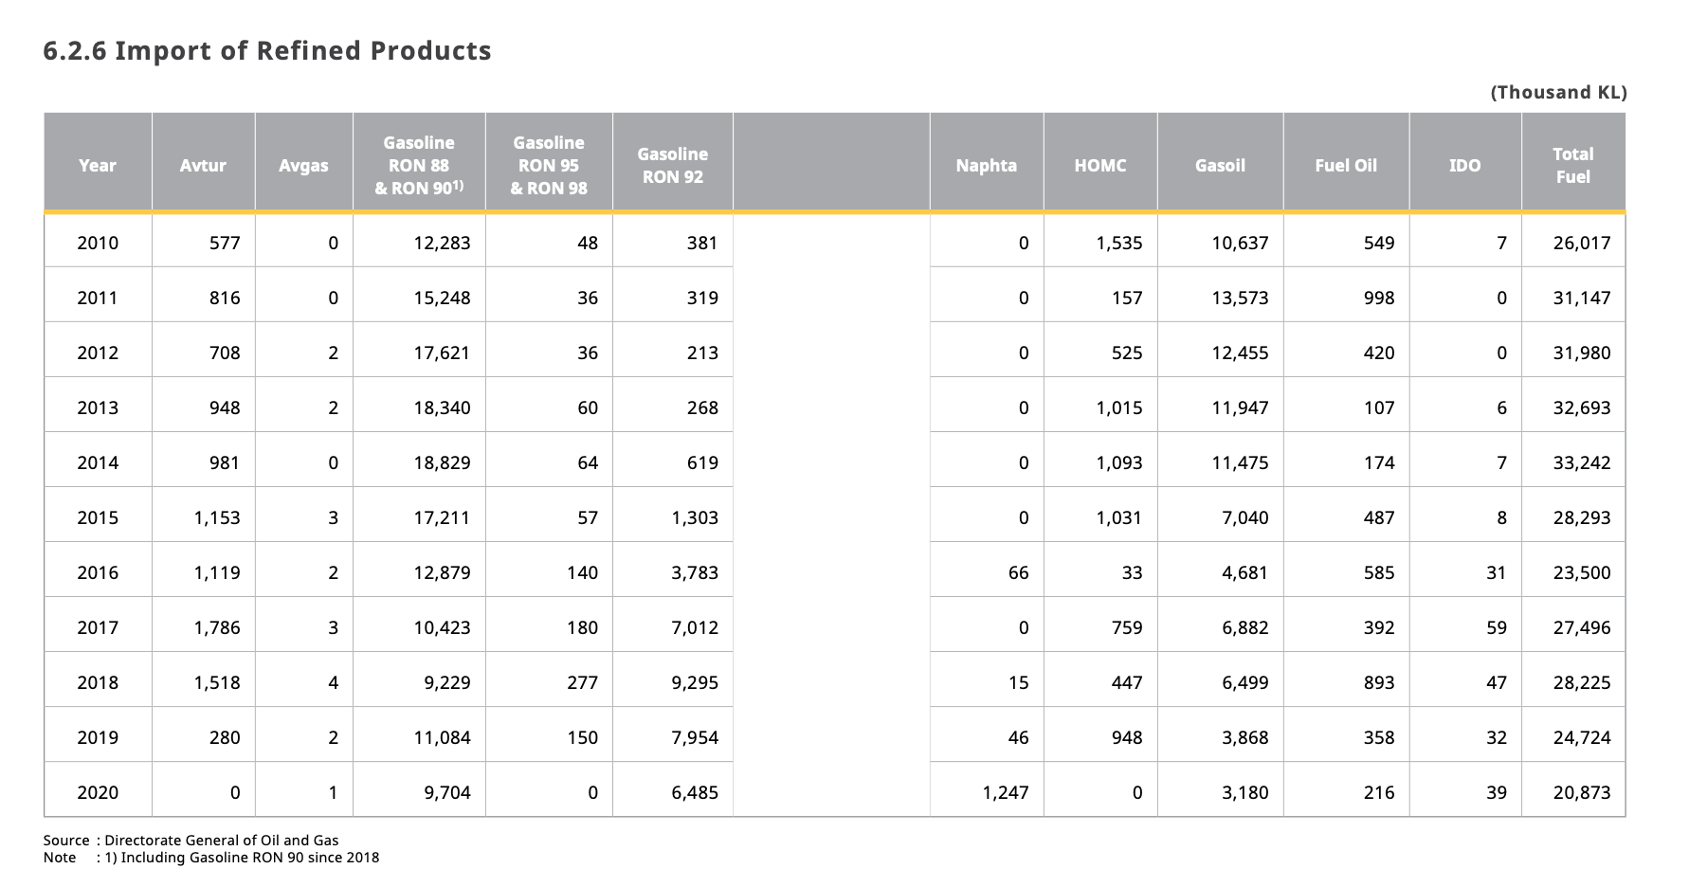
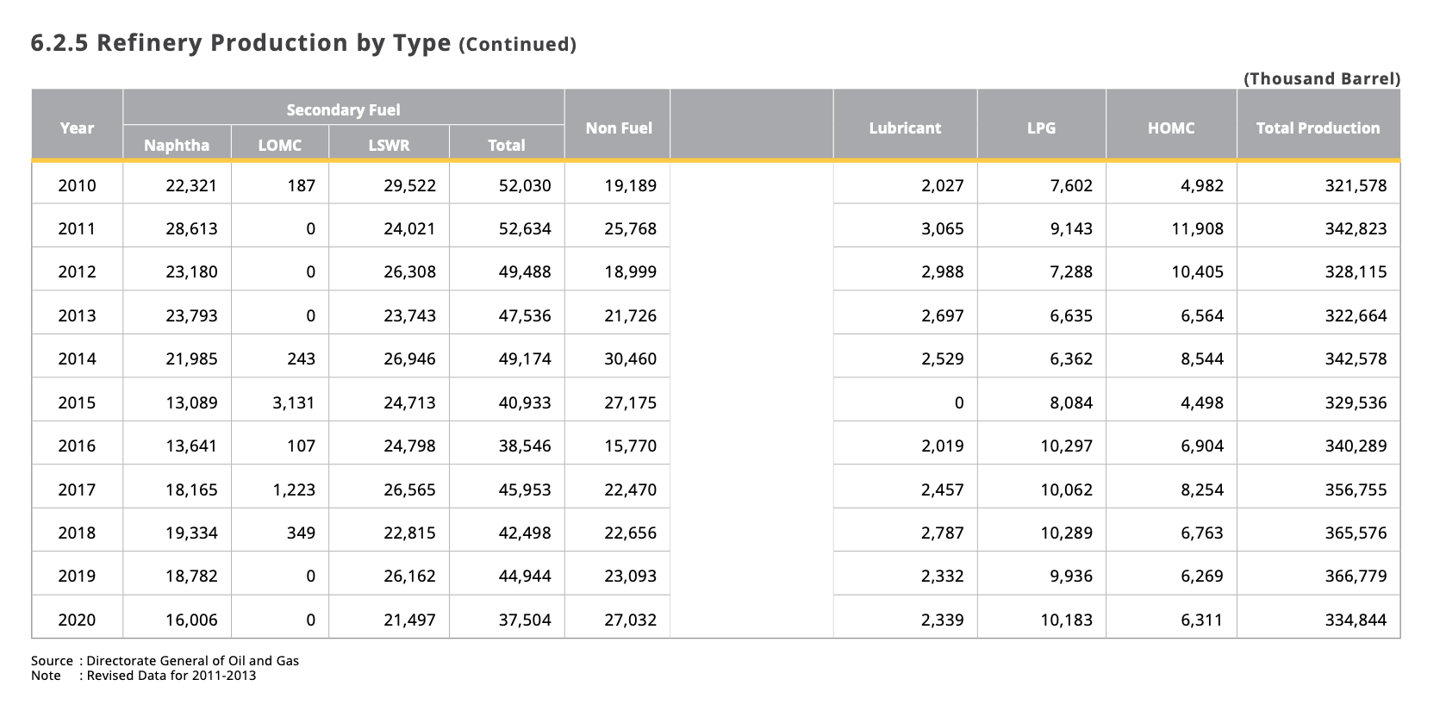
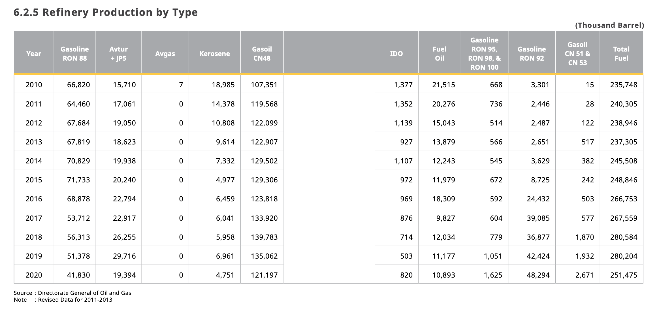
Biomass Production - Indonesia
Units (BTU) | 2006 | 2007 | 2008 | 2009 | 2010 | 2011 | 2012 | 2013 | 2014 | 2015 | 2016 | 2017 | 2018 | 2019 | 2020 | 2021 | 2022 | 2023 | 2024 | 2025 | 2026 | 2027 | 2028 | 2029 | 2030 | 2031 | 2032 | 2033 | 2034 | 2035 | 2036 | 2037 | 2038 | 2039 | 2040 | 2041 | 2042 | 2043 | 2044 | 2045 | 2046 | 2047 | 2048 | 2049 | 2050
Biomass - Prod | 2.00E+12 | 9.00E+12 | 2.00E+13 | 1.00E+13 | 2.00E+13 | 6.00E+13 | 7.00E+13 | 9.00E+13 | 1.10E+14 | 4.00E+13 | 1.10E+14 | 9.00E+13 | 1.80E+14 | 2.70E+14 | 1.92E+14 | 2.07E+14 | 2.23E+14 | 2.38E+14 | 2.53E+14 | 2.69E+14 | 2.84E+14 | 2.99E+14 | 3.14E+14 | 3.30E+14 | 3.45E+14 | 3.60E+14 | 3.76E+14 | 3.91E+14 | 4.06E+14 | 4.22E+14 | 4.37E+14 | 4.52E+14 | 4.68E+14 | 4.83E+14 | 4.98E+14 | 5.13E+14 | 5.29E+14 | 5.44E+14 | 5.59E+14 | 5.75E+14 | 5.90E+14 | 6.05E+14 | 6.21E+14 | 6.36E+14 | 6.51E+14
Source: US Energy Information Administration

Petroleum Gas, Petroleum Diesel, Jet Fuel/Kerosene, HFO, and LPG Production - Indonesia
Units (Thousand Barrel) | 2010 | 2011 | 2012 | 2013 | 2014 | 2015 | 2016 | 2017 | 2018 | 2019 | 2020 | 2021 | 2022 | 2023 | 2024 | 2025 | 2026 | 2027 | 2028 | 2029 | 2030 | 2031 | 2032 | 2033 | 2034 | 2035 | 2036 | 2037 | 2038 | 2039 | 2040 | 2041 | 2042 | 2043 | 2044 | 2045 | 2046 | 2047 | 2048 | 2049 | 2050
Petroleum Gasoline - RON 88 - Prod | 66820 | 64460 | 67684 | 67819 | 70829 | 71733 | 68878 | 53712 | 56313 | 51378 | 41830
Petroleum Gasoline - RON 95, 98, 100 - Prod | 668 | 736 | 514 | 566 | 545 | 672 | 592 | 604 | 779 | 1051 | 1625
Petroleum Gasoline - RON 92 - Prod | 3301 | 2446 | 2487 | 2651 | 3629 | 8725 | 4432 | 39085 | 36877 | 42424 | 48294
Total PG - Prod | 70789 | 67642 | 70685 | 71036 | 75003 | 81130 | 73902 | 93401 | 93969 | 94853 | 91749 | 98221.27273 | 101195.1364 | 104169 | 107142.8636 | 110116.7273 | 113090.5909 | 116064.4545 | 119038.3182 | 122012.1818 | 124986.0455 | 127959.9091 | 130933.7727 | 133907.6364 | 136881.5 | 139855.3636 | 142829.2273 | 145803.0909 | 148776.9545 | 151750.8182 | 154724.6818 | 157698.5455 | 160672.4091 | 163646.2727 | 166620.1364 | 169594 | 172567.8636 | 175541.7273 | 178515.5909 | 181489.4545 | 184463.3182
Petroleum Diesel - Gasoil CN48 - Prod | 107351 | 119568 | 122099 | 122907 | 129502 | 129306 | 123818 | 133920 | 139783 | 135062 | 121197
Petroleum Diesel - Gasoil CN51 and 53 - Prod | 15 | 28 | 122 | 517 | 382 | 242 | 503 | 577 | 1870 | 1932 | 2671
Total PD - Prod | 107366 | 119596 | 122221 | 123424 | 129884 | 129548 | 124321 | 134497 | 141653 | 136994 | 123868 | 139050.9636 | 141114.4273 | 143177.8909 | 145241.3545 | 147304.8182 | 149368.2818 | 151431.7455 | 153495.2091 | 155558.6727 | 157622.1364 | 159685.6 | 161749.0636 | 163812.5273 | 165875.9909 | 167939.4545 | 170002.9182 | 172066.3818 | 174129.8455 | 176193.3091 | 178256.7727 | 180320.2364 | 182383.7 | 184447.1636 | 186510.6273 | 188574.0909 | 190637.5545 | 192701.0182 | 194764.4818 | 196827.9455 | 198891.4091
Avtur + JP5 | 15710 | 17061 | 19050 | 18625 | 19938 | 20240 | 22794 | 22917 | 26255 | 29716 | 19394
Kerosene | 18985 | 14378 | 10808 | 9614 | 7332 | 4977 | 6459 | 6041 | 5958 | 6961 | 4751
Total Jet Fuel and Kerosene - Prod | 34695 | 31439 | 29858 | 28239 | 27270 | 25217 | 29253 | 28958 | 32213 | 36677 | 24145 | 28652.43636 | 28458.69091 | 28264.94545 | 28071.2 | 27877.45455 | 27683.70909 | 27489.96364 | 27296.21818 | 27102.47273 | 26908.72727 | 26714.98182 | 26521.23636 | 26327.49091 | 26133.74545 | 25940 | 25746.25455 | 25552.50909 | 25358.76364 | 25165.01818 | 24971.27273 | 24777.52727 | 24583.78182 | 24390.03636 | 24196.29091 | 24002.54545 | 23808.8 | 23615.05455 | 23421.30909 | 23227.56364 | 23033.81818
Heavy Fuel Oil | 21515 | 20276 | 15043 | 13879 | 12243 | 11979 | 18309 | 9827 | 12034 | 11177 | 10893 | 8802.945455 | 7888.663636 | 6974.381818 | 6060.1 | 5145.818182 | 4231.536364 | 3317.254545 | 2402.972727 | 1488.690909 | 574.4090909 | 0 | 0 | 0 | 0 | 0 | 0 | 0 | 0 | 0 | 0 | 0 | 0 | 0 | 0 | 0 | 0 | 0 | 0 | 0 | 0
LPG | 7602 | 9143 | 7288 | 6635 | 6362 | 8084 | 10297 | 10062 | 10289 | 9936 | 10183 | 10672.94545 | 10999.02727 | 11325.10909 | 11651.19091 | 11977.27273 | 12303.35455 | 12629.43636 | 12955.51818 | 13281.6 | 13607.68182 | 13933.76364 | 14259.84545 | 14585.92727 | 14912.00909 | 15238.09091 | 15564.17273 | 15890.25455 | 16216.33636 | 16542.41818 | 16868.5 | 17194.58182 | 17520.66364 | 17846.74545 | 18172.82727 | 18498.90909 | 18824.99091 | 19151.07273 | 19477.15455 | 19803.23636 | 20129.31818
Source: HEESI 2020

Petroleum Gas, Petroleum Diesel, Jet Fuel/Kerosene, HFO, and LPG Imports - Indonesia
Units (Thousand Barrel) | 2010 | 2011 | 2012 | 2013 | 2014 | 2015 | 2016 | 2017 | 2018 | 2019 | 2020 | 2021 | 2022 | 2023 | 2024 | 2025 | 2026 | 2027 | 2028 | 2029 | 2030 | 2031 | 2032 | 2033 | 2034 | 2035 | 2036 | 2037 | 2038 | 2039 | 2040 | 2041 | 2042 | 2043 | 2044 | 2045 | 2046 | 2047 | 2048 | 2049 | 2050
Petroleum Gasoline - RON 88, 90 | 12283 | 15248 | 17621 | 18340 | 18829 | 17211 | 12879 | 10423 | 9229 | 11084 | 9704
Petroleum Gasoline - RON 95, 98 | 48 | 36 | 36 | 60 | 64 | 57 | 140 | 180 | 277 | 150 | 0
Petroleum Gasoline - RON 92 | 381 | 319 | 213 | 268 | 619 | 1303 | 3783 | 7012 | 9295 | 7954 | 6485
Total PG - Imports | 12712 | 15603 | 17870 | 18668 | 19512 | 18571 | 16802 | 17615 | 18801 | 19188 | 16189 | 19032.01818 | 19302.03636 | 19572.05455 | 19842.07273 | 20112.09091 | 20382.10909 | 20652.12727 | 20922.14545 | 21192.16364 | 21462.18182 | 21732.2 | 22002.21818 | 22272.23636 | 22542.25455 | 22812.27273 | 23082.29091 | 23352.30909 | 23622.32727 | 23892.34545 | 24162.36364 | 24432.38182 | 24702.4 | 24972.41818 | 25242.43636 | 25512.45455 | 25782.47273 | 26052.49091 | 26322.50909 | 26592.52727 | 26862.54545
Avtur + JP5 | 577 | 816 | 708 | 948 | 981 | 1153 | 1119 | 1786 | 1518 | 280 | 0 | 855.9090909 | 848.7727273 | 841.6363636 | 834.5 | 827.3636364 | 820.2272727 | 813.0909091 | 805.9545455 | 798.8181818 | 791.6818182 | 784.5454545 | 777.4090909 | 770.2727273 | 763.1363636 | 756 | 748.8636364 | 741.7272727 | 734.5909091 | 727.4545455 | 720.3181818 | 713.1818182 | 706.0454545 | 698.9090909 | 691.7727273 | 684.6363636 | 677.5 | 670.3636364 | 663.2272727 | 656.0909091 | 648.9545455
Heavy Fuel Oil | 49 | 998 | 420 | 107 | 174 | 487 | 585 | 392 | 893 | 358 | 216 | 462.1818182 | 468.3181818 | 474.4545455 | 480.5909091 | 486.7272727 | 492.8636364 | 499 | 505.1363636 | 511.2727273 | 517.4090909 | 523.5454545 | 529.6818182 | 535.8181818 | 541.9545455 | 548.0909091 | 554.2272727 | 560.3636364 | 566.5 | 572.6363636 | 578.7727273 | 584.9090909 | 591.0454545 | 597.1818182 | 603.3181818 | 609.4545455 | 615.5909091 | 621.7272727 | 627.8636364 | 634 | 640.1363636
Source: HEESI 2020

Petroleum Gas, Petroleum Diesel, Jet Fuel/Kerosene, HFO, and LPG Exports - Indonesia
Units (Thousand Barrel) | 2010 | 2011 | 2012 | 2013 | 2014 | 2015 | 2016 | 2017 | 2018 | 2019 | 2020
Petroleum Gasoline - RON 88 | 24 | 80 | 69 | 0 | 0 | 0 | 0 | 0 | 0 | 0 | 0 | Assum: no more exports of petroleum gas
Petroleum Gasoline - RON 95 | 0 | 7 | 0 | 13 | 0 | 0 | 0 | 0 | 0 | 0 | 0
Petroleum Gasoline - RON 92 | 0 | 0 | 60 | 84 | 159 | 15 | 9 | 4 | 0 | 0 | 0
Total PG - Exports | 24 | 87 | 129 | 97 | 159 | 15 | 9 | 4 | 0 | 0 | 0
Petroleum Diesel - Gasoil CN48 | 519 | 113 | 92 | 0 | 148 | 0 | 1 | 8 | 4 | 0 | 697
Avtur + JP5 | 3 | 9 | 13 | 9 | 13 | 15 | 15 | 15 | 16 | 795 | 2880
Kerosene | 1436 | 2701 | 1917 | 1632 | 401 | 589 | 0 | 0 | 0 | 0 | 0
Total Jet Fuel and Kerosene - Prod | 1439 | 2710 | 1930 | 1641 | 414 | 604 | 15 | 15 | 16 | 795 | 2880
Heavy Fuel Oil | 600 | 0 | 0 | 4319 | 3215 | 1377 | 2167 | 2981 | 2011 | 0 | 0
Source: HEESI 2020

